Sheet1
 | Document No. |  | Issue No. | Issue Date |  |  | Review and Replace Date |  | Authorised By
 | GFF393MC |  | 1 | 14.08.2023 |  |  | new issue |  | Magda Shah
 | Document Title |  | Vegetable Jalfrezi with Pilau Rice 400g

Document amendments reason for change | New Launch |  |  | Page 1 of 1 |  | Previous Issue Date |  | new issue | Uncontrolled copy unless signed original

CVJLR-R4T |  | GAZEBO CUISINE |  |  | Vegetable Jalfrezi with Pilau Rice 400g
STEP 1 |  |  |  |  | STEP 2
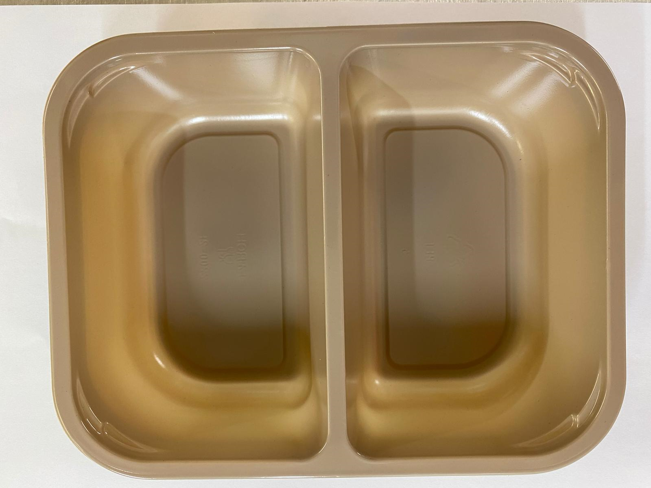 |  |  |  |  | 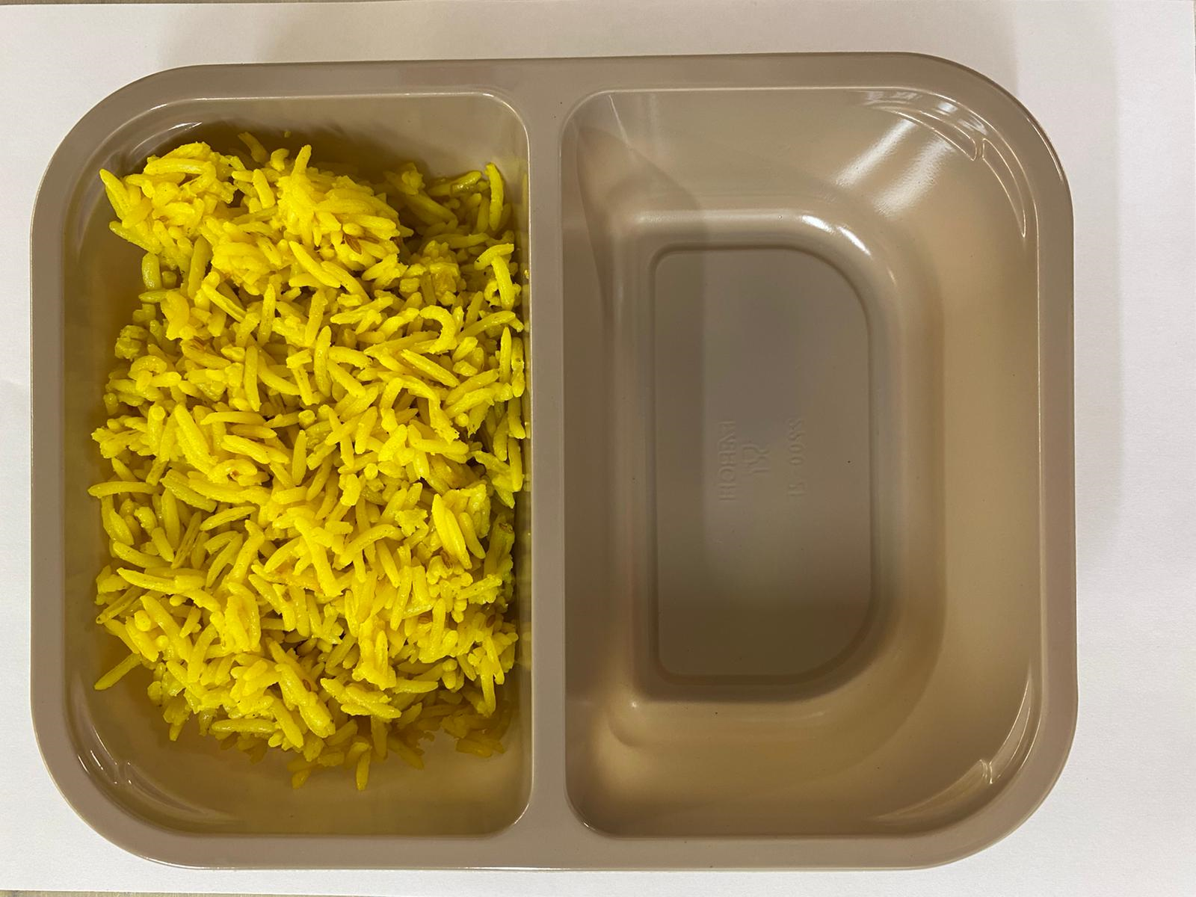

Tray: Evolve CPET 2200-2F (PKRHP001-10) |  |  |  |  | Pilau Rice (GFF143R): 180g

Film: K peel 7G+25A/f- 275mm (275 mmX1000)(PKKMP001-03)

STEP 3
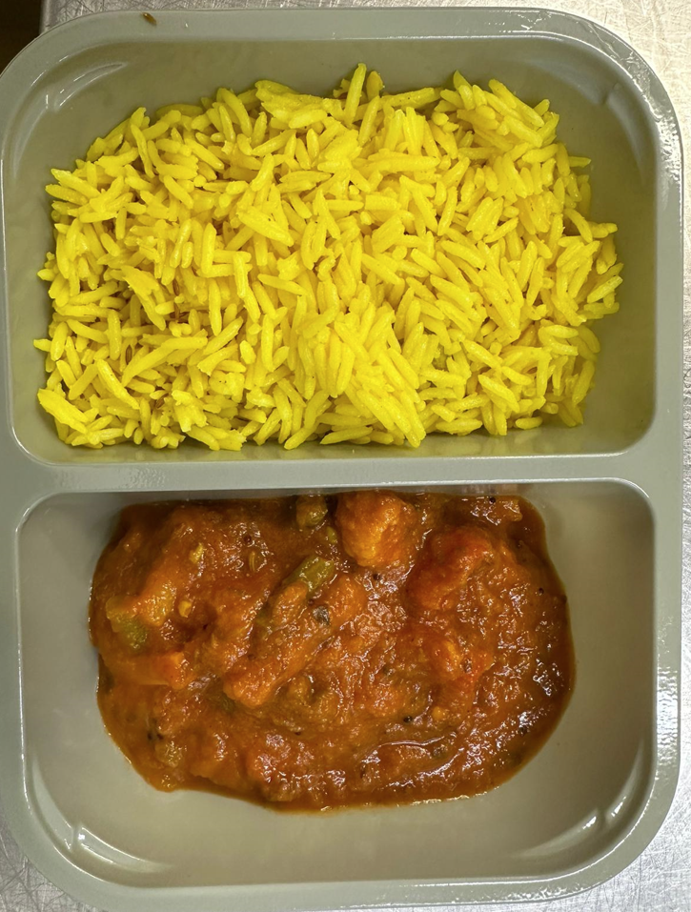

Vegetable Balti (GFF244R): 220g |  |  |  |  |  |  |  |  |  | TOTAL WEIGHT: 400g

ALLERGY ALERT: MUSTARD

